LD_D_11
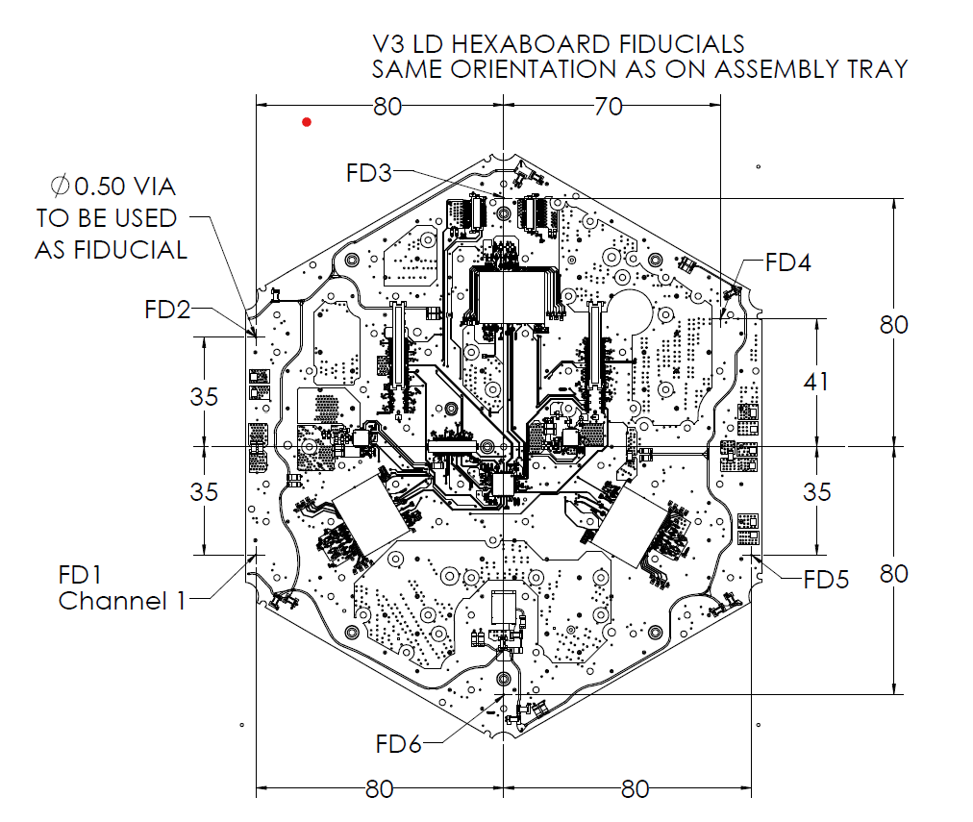
Assembly Tray measurements - DO NOT MODIFY UNLESS TRAY CHANGES
 | Fiducial 1 X | Fiducial 1 Y | Fiducial 2 X | Fiducial 2 Y | Angle of X axis relative to X' | this angle (radians) should ideally be exactly 0 to be parallel to the Gantry Coordinate system
 | 0 | 0 | 0.001 | 355.043 | 0.002

 | Baseplate Center X' | Baseplate center Y' | Baseplate offset X' | Baseplate offset Y' | Angle in Degrees
 | 137.03 | 260.598 | 62.131 | 260.471 | 0.097

V3 PCB Fiducial Measurements - ENTER DATA FROM OGP in blue squares
 | Measure X | Measure Y | Calculate X' | Calculate Y' | Nominal X' | Nominal Y'
Fid 2 | 216.963 | 225.41 | 79.993 | -35.052 | -80 | 35
Fid 3 | 136.85 | 180.578 | -0.044 | -80.020 | 0 | 80
Fid 5 | 57.133 | 295.771 | -79.957 | 35.037 | 80 | 35
Fid 6 | 137.224 | 340.605 | 0.058 | 80.007 | 0 | -80

 |  |  |  |  | PCB Rotation from Pin Coordinate System
 | CALCULATED OFFSET FOR THIS BUILD: |  |  |  | Angle between PCB fiducials 3/6 and baseplate pin coordinates | Radians | Degrees | Nominal | Rotational offset | Average rotational offset
 | Center of PCB in X'/Y' Frame | x | y |  |  | -1.571 | -90.037 | -90.000 | 0.037
 |  | 0.013 | -0.007 |  | Angle between PCB fiducials 2/5 and baseplate pin coordinates | Radians | Degrees |  |  | -89.965
 |  |  |  |  |  | 2.729 | 156.337 | -23.629 | -179.966 | 0.035
 |  |  |  |  |  |  |  | 156.371 | 0.034

